Air Volume
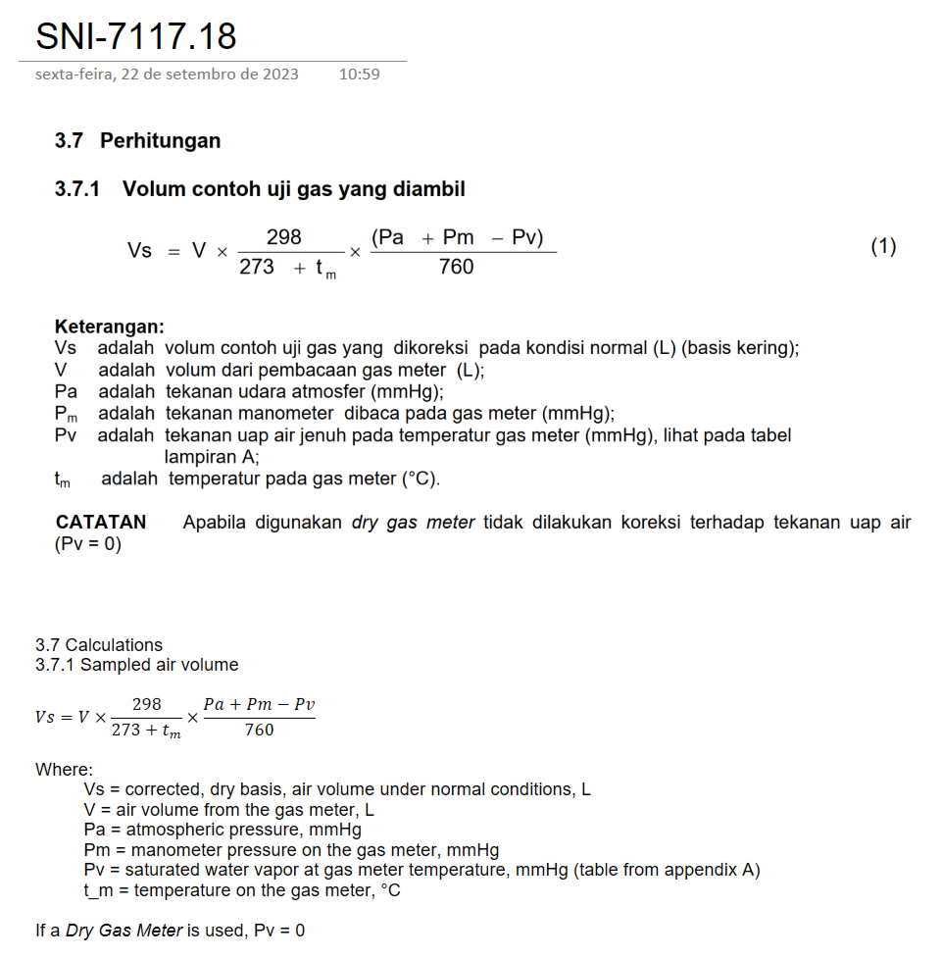
1 only for particulate matter | Parameter List | Field_Condition_ASE
 | Parameter | Multiplier
 | Formula | [DGM_Coeff;Final Value]*(298.15/760)*[ActualVolume;Final Value]*(([AtmosphericPressure;Final Value]+[ActualOrifice;Final Value]/13.6)/[MeterTemperature;Final Value])
 | Simplified Formula | DGM Coefficient * (298.15/760) * Air Volume *( (Atmospheric Pressure + dH / 13.6) / Temperature)
 | Notes | Formula based on SNI 7117.17
 |  | This formula is used to calculate the corrected air volume to 760 mmHg and 25°C from the measured air volume at the temperature and pressure from the time of sampling, also considering variables related to the sampling
 |  | equipment (dH and DGM coefficient). The formula expects the temperature in Kelvin (K), if the temperature should be in °C, the formula must be modified to accomodate the conversion (K = °C + 273.15).
 | Example:
 |  | DGM_Coeff | Air Volume | Atmospheric Pressure | dH | Temperature | Multiplier
 |  |  | m³ | mmHg | inHg | K | m³
 | UNK1 | 1 | 0.5 | 760 | 0.0 | 298.15 | 0.5000 | 25
 | UNK2 | 1 | 0.5 | 674 | 13.6 | 293.15 | 0.4517 | 20
 | UNK3 | 1 | 0.5 | 674 | 5.0 | 303.15 | 0.4363 | 30

2 only for sulphur dioxide | Parameter List | To be defined
 | Parameter | Multiplier
 | Formula | To be defined
 | Simplified Formula | (Flow * Sampling Time * Atmospheric Pressure * 298) / ((Temperature + 273) * 760)
 | Notes | Formula based on Bogor MDCT
 |  | This formula is used to calculate the corrected air volume to 760 mmHg and 25°C from the measured air volume at the temperature and pressure from the time of sampling. The sample volume is calculated from the sampling time and
 |  | sampling air flow. The formula expects the temperature in °C.
 | Example:
 |  | Flow | Sampling Time | Atmospheric Pressure | Temperature | Multiplier | Multiplier |  | volume = flow * sampling time
 |  | L/min | min | mmHg | °C | L | m³ |  | volume | flow | sampling time | multiplier
 | UNK1 | 2 | 250 | 760 | 25 | 500.0000 | 0.5000 |  | 250 |  |  | 250
 | UNK2 | 1 | 500 | 674 | 30 | 436.1039 | 0.4361
 | UNK3 | 4 | 125 | 674 | 20 | 450.9880 | 0.4510

3 no to be used | Parameter List | To be defined
 | Parameter | Multiplier
 | Formula | To be defined
 | Simplified Formula | Air Volume * (298 / (273 + Temperature)) * ((Atmospheric Pressure + Manometer Pressure - Saturated Water Vapor Temperature) / 760)
 | Notes | Formula based on SNI 7117.18
 |  | This formula is used to calculate the corrected air volume to 760 mmHg and 25°C from the measured air volume at the temperature and pressure from the time of sampling, also considering variables related to the sampling
 |  | equipment (pressure on the gas meter manometer and the saturated water vapor pressure at the sampling temperature). The formula expects the temperature in °C.
 |  | According to the method, if a Dry Gas Meter is used during sample, the Saturated Water Vapor Temperature should considered as 0, but if not, the Pv value from annex A should be considered. Annex A has two different columns,
 |  | named 0 and 5, for the Pv value, but it's not clear which column should be considered, nor if it's always the same columns or if there is some situation that ditates which column should the value be taken from.
 | Example:
 |  | Air Volume | Temperature | Atmospheric Pressure | Manometer Pressure | Saturated Water Vapor Pressure | Multiplier
 |  | m³ | °C | mmHg | mmHg | mmHg | m³
 | UNK1 | 0.5 | 25 | 760 | 0 | 0 | 0.5000 | * Dry Gas Meter
 | UNK2 | 0.5 | 30 | 674 | 0 | 0 | 0.4361 | * Dry Gas Meter
 | UNK3 | 0.5 | 20 | 674 | 0 | 0 | 0.4510

SO2 calculation
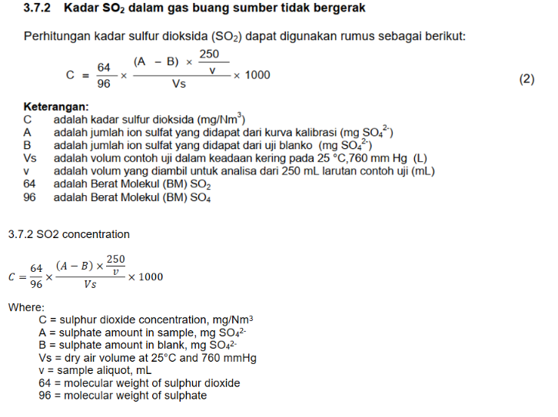
1 | Parameter List | SNI19_7117_18_ASE
 | Parameter | 7446-09-5
 | Formula | (64/96) * (nUnkStandard - nMBStandard) * nDf * (250 / nSampleVolume) * nMultiplier * 1000 |  |  |  |  |  |  |  |  | ***AS IS***
 | Simplified Formula | (64/96) * (Sample Reading - Blank Reading) * Dilution Factor * (250 / Sample Volume) * Multiplier * 1000
 | Notes | A) Blank Reading is not an actual parameter, but the value from the 7446-09-5[Standard] of the blank (MB) sample of the QCBatch. It's presence in the example below is for simplification only.
 |  | B) The Multiplier value is the inverse of corrected sampled air volume from the field conditions parameter list. The multiplier used for this example were taken from QCB20230927-00001 (Test)
 |  | C) The value is different from those shown on QCB20230927-00001 Data Entry due rounding differences - the raw value (without rouding/formatting) is the same (available from the Calc Report button). The calculation expects
 |  | the multiplier (inverse of the sample volume) to be in Liters; if the volume is in cubic meters, the formula should be modified (the "1000" multiplier should be removed), if not, the current multiplier calculation should be corrected.
 | Example: |  | see note A |  |  | see note B | see note C
 |  | Sample Reading | Blank Reading | Dilution Factor | Sample Volume | Multiplier | 7446-09-5
 |  | mg | mg |  | mL | 1/L
 | Blank | 1 | 1 | 1 | 50 | 1.000 | 0
 | UNK1 | 6 | 1 | 1 | 50 | 2.374 | 40
 | UNK2 | 5 | 1 | 1 | 50 | 0.594 | 8
 | UNK3 | 10 | 1 | 1 | 50 | 2.000 | 60

2 | Parameter List | SNI19_7117_18_Cor_ASE
 | Parameter | 7446-09-5
 | Formula | (64/96) * (nUnkStandard - nMBStandard) * nDf * (250 / nSampleVolume) * nMultiplier * 1000 * ((20.9 - [O2Ref;Final Value]) / (20.9 - [O2Act;Final Value])) |  |  |  |  |  |  |  |  | ***AS IS***
 | Simplified Formula | (64/96) * (Sample Reading - Blank Reading) * Dilution Factor * (250 / Sample Volume) * Multiplier * ((20.9 - O2 Reference) / (20.9 - O2 Value))
 | Notes | A) Blank Reading is not an actual parameter, but the value from the 7446-09-5[Standard] of the blank (MB) sample of the QCBatch. It's presence in the example below is for simplification only.
 |  | B) The Multiplier value is the inverse of corrected sampled air volume, from the field conditions parameter list, multiplied by the O2 Correction Factor, from the SGSIH_O2Cor_ASE parameter list. The multiplier and O2Cor
 |  | used for this example were taken from QCB20230927-00001 (Test) and S-230927-00004 (Test)
 |  | C) The value is different from those shown on QCB20230927-00001 Data Entry due rounding differences - the raw value (without rouding/formatting) is the same (available from the Calc Report button). The calculation expects
 |  | the multiplier (inverse of the sample volume) to be in Liters; if the volume is in cubic meters, the formula should be modified (the "1000" multiplier should be removed), if not, the current multiplier calculation should be corrected.
 |  | D) The (20.9-[O2Ref;Final Value])/(20.9-[O2Act;Final Value]) calculation is calculate on SGSIH_O2Cor_ASE parameter list; only the O2 Correction Factor (O2Cor) is present on the actual formula.
 | Example: | see note D |  |  |  | see note A |  |  | see note B | see note C
 |  | O2 Reference | O2 Value | O2 Cor | Sample Reading | Blank Reading | Dilution Factor | Sample Volume | Multiplier | 7446-09-5
 | Blank | 0 | 0 | 1.00000 | 2 | 2 | 1 | 50 | 1.000 | 0
 | UNK1 | 10 | 10 | 1.00000 | 7 | 2 | 1 | 50 | 2.374 | 40
 | UNK2 | 3 | 2 | 0.94709 | 8 | 2 | 1 | 50 | 0.562 | 11
 | UNK3 | 5 | 10 | 1.45872 | 10 | 2 | 1 | 50 | 2.000 | 53

Air Volume test
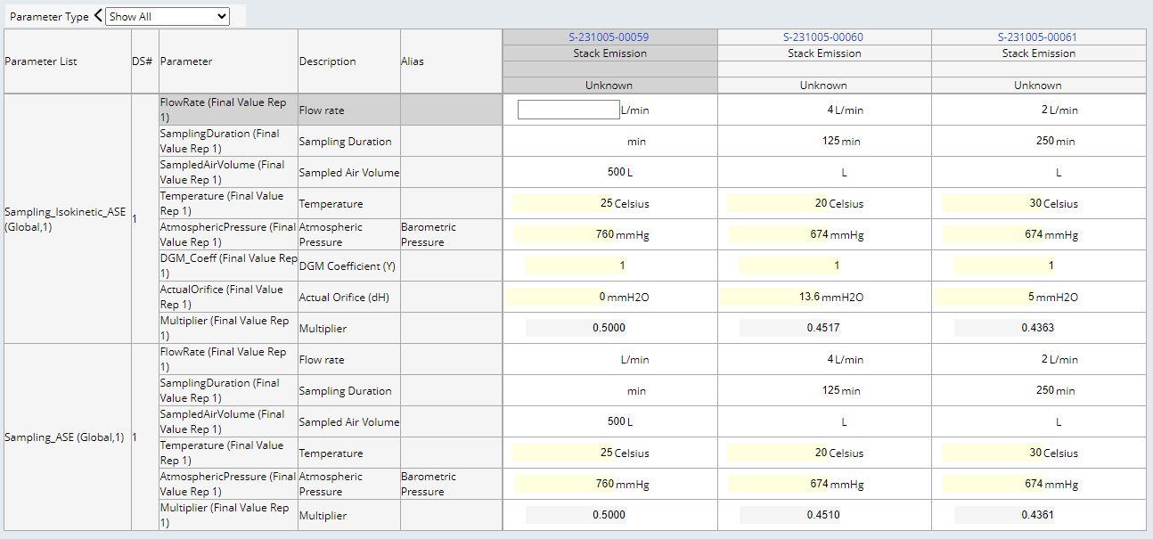
1 | Parameter List | Sampling_Isokinetic_ASE
 | Parameter | Multiplier
 | Formula | Groovy
 | Simplified Formula | DGM Coefficient * (298.15/760) * Air Volume *( (Atmospheric Pressure + dH / 13.6) / Temperature) / 1000
 | Notes | Formula based on SNI 7117.17
 |  | This formula is used to calculate the corrected air volume to 760 mmHg and 25°C from the measured air volume at the temperature and pressure from the time of sampling, also considering variables related to the sampling
 |  | equipment (dH and DGM coefficient).
 | Example:
 |  | DGM_Coeff | Air Volume | Atmospheric Pressure | dH | Temperature | Multiplier
 |  |  | L | mmHg | inHg | K
 | S-231005-00059 | 1 | 500 | 760 | 0.0 | 25 | 0.5000
 | S-231005-00060 | 1 | 500 | 674 | 13.6 | 20 | 0.4517
 | S-231005-00061 | 1 | 500 | 674 | 5.0 | 30 | 0.4363

2 | Parameter List | Sampling_ASE
 | Parameter | Multiplier
 | Formula | Groovy
 | Simplified Formula | (Flow * Sampling Time * Atmospheric Pressure * 298) / ((Temperature + 273) * 760) / 1000
 | Notes | Formula based on Bogor MDCT
 |  | This formula is used to calculate the corrected air volume to 760 mmHg and 25°C from the measured air volume at the temperature and pressure from the time of sampling. The sample volume is calculated from the sampling time and
 |  | sampling air flow.
 | Example:
 |  | Flow | Sampling Time | Volume | Atmospheric Pressure | Temperature | Multiplier
 |  | L/min | min | L | mmHg | °C
 | S-231005-00059 | 1 | 500 | 500 | 760 | 25 | 0.5000
 | S-231005-00060 | 4 | 125 | 500 | 674 | 20 | 0.4510
 | S-231005-00061 | 2 | 250 | 500 | 674 | 30 | 0.4361

